Sheet1
DATE | INV NO. | DESCRIPTIONS | AMOUNT | BILLS | PRICE | TOTAL
2025-10-01 | 10095 | Coconut Logo | 20 | 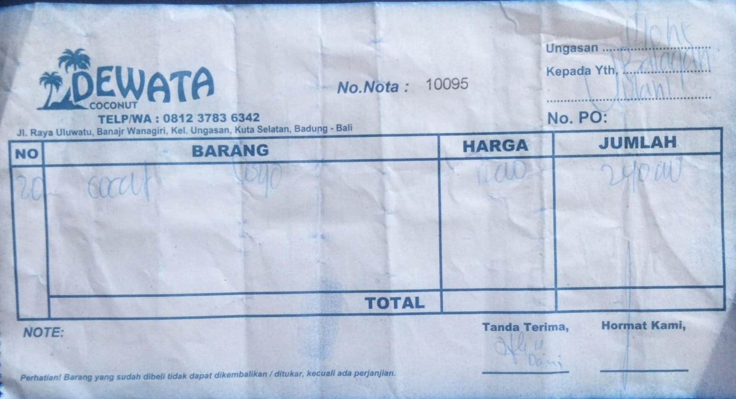 | IDR 12,000 | IDR 240,000
2025-10-03 | 9645 | Coconut Logo | 20 | 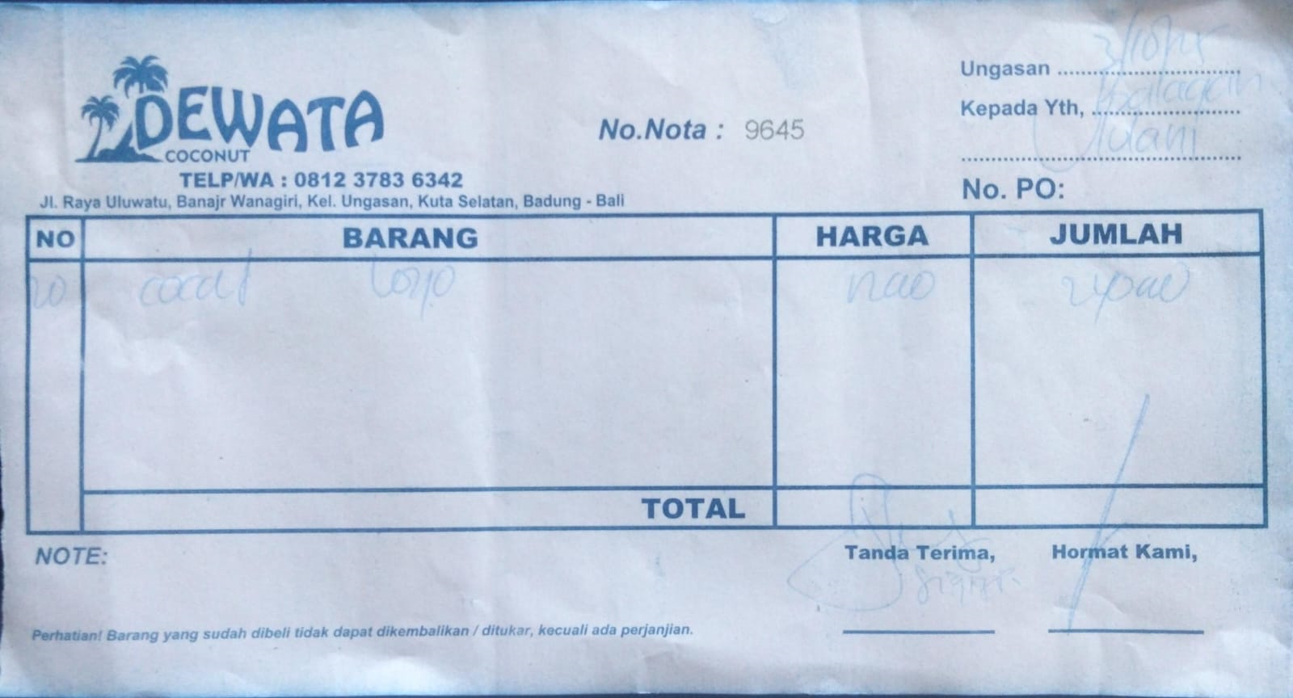 | IDR 12,000 | IDR 240,000
2025-10-06 | 10262 | Coconut Logo | 20 | 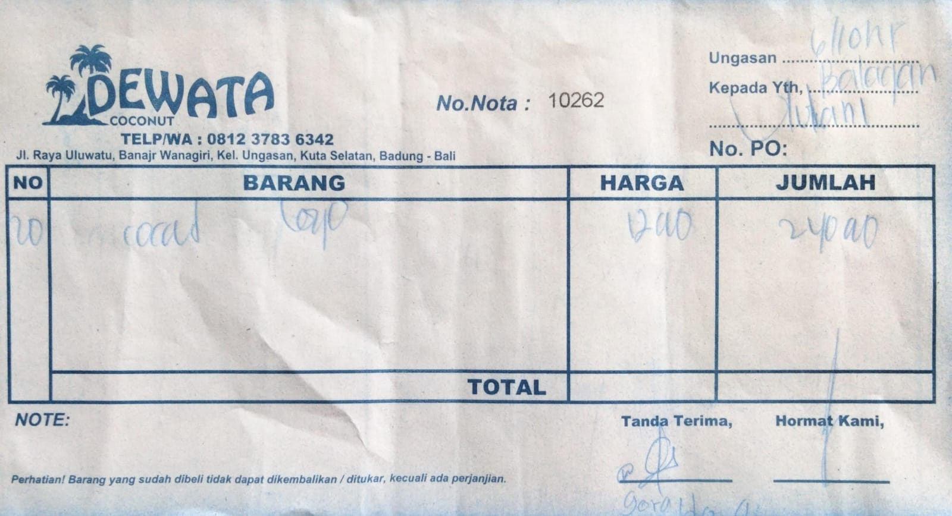 | IDR 12,000 | IDR 240,000
2025-10-08 | 9730 | Coconut Logo | 20 | 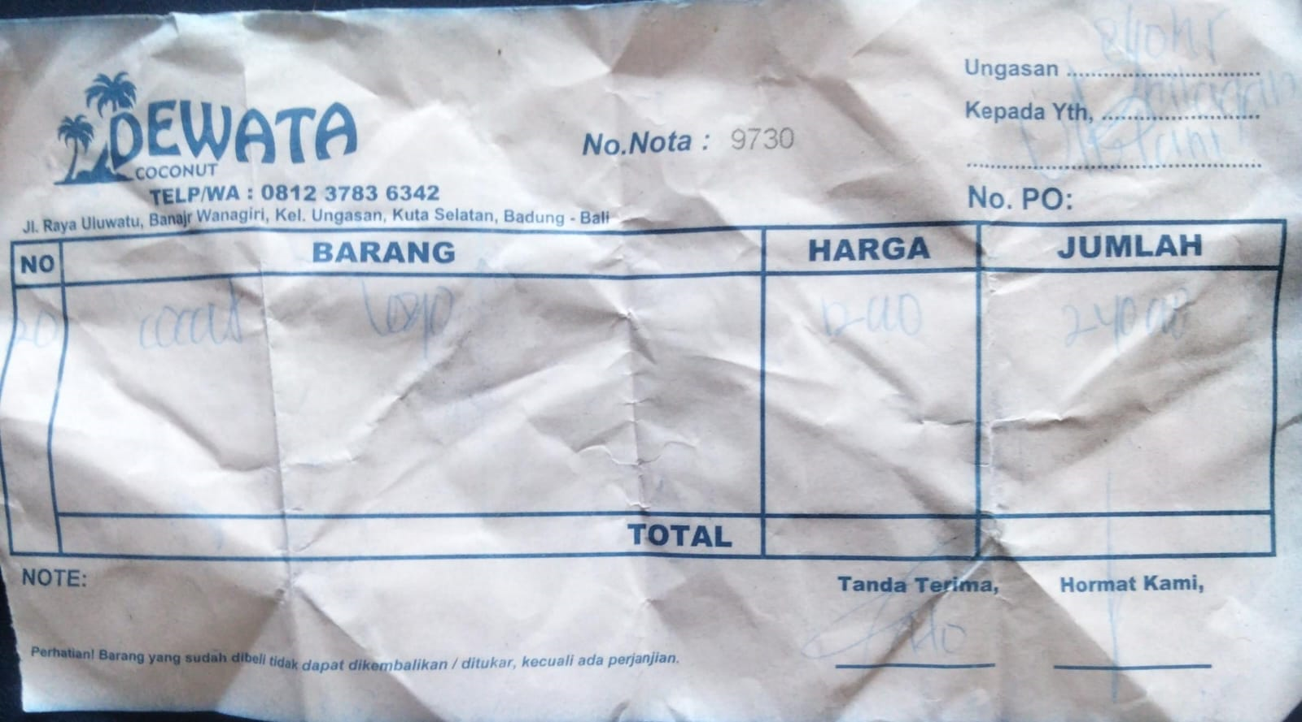 | IDR 12,000 | IDR 240,000
2025-10-10 | 9845 | Coconut Logo | 20 | 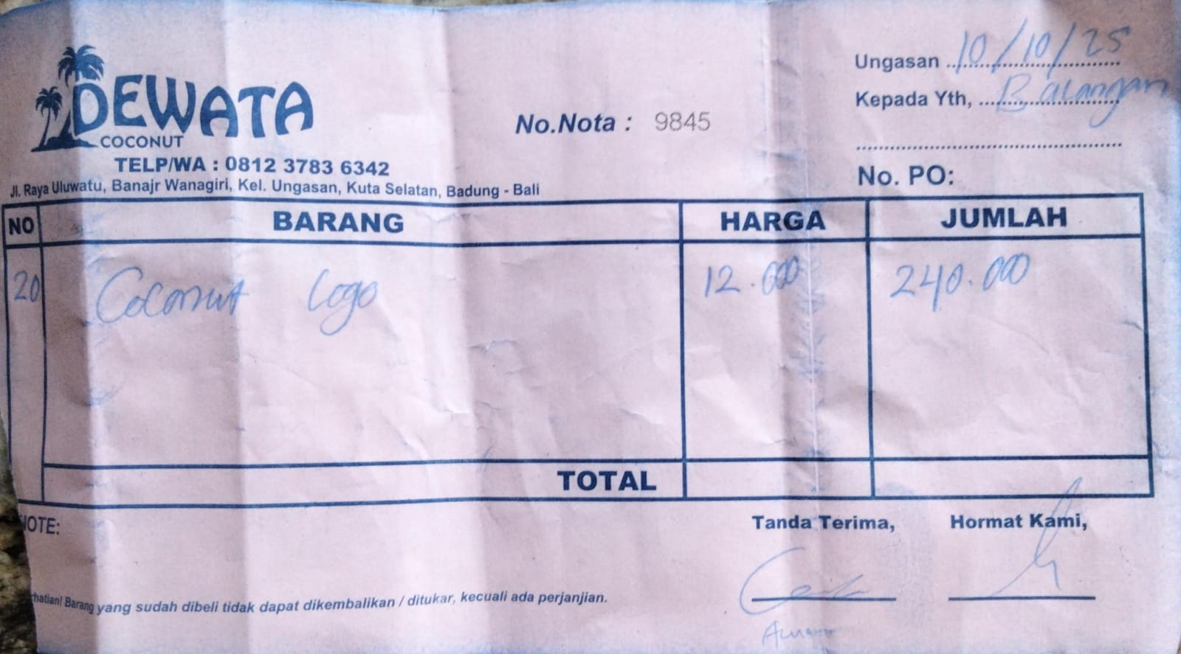 | IDR 12,000 | IDR 240,000
2025-10-14 | 10425 | Coconut Logo | 20 | 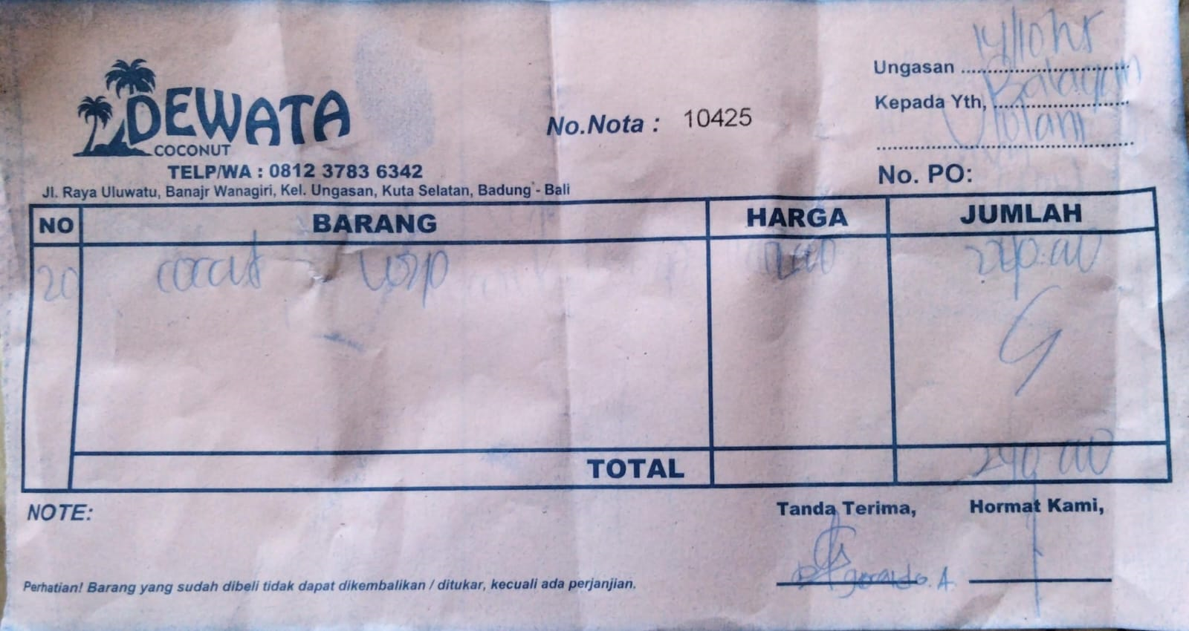 | IDR 12,000 | IDR 240,000
2025-10-16 | 10359 | Coconut Logo | 20 | 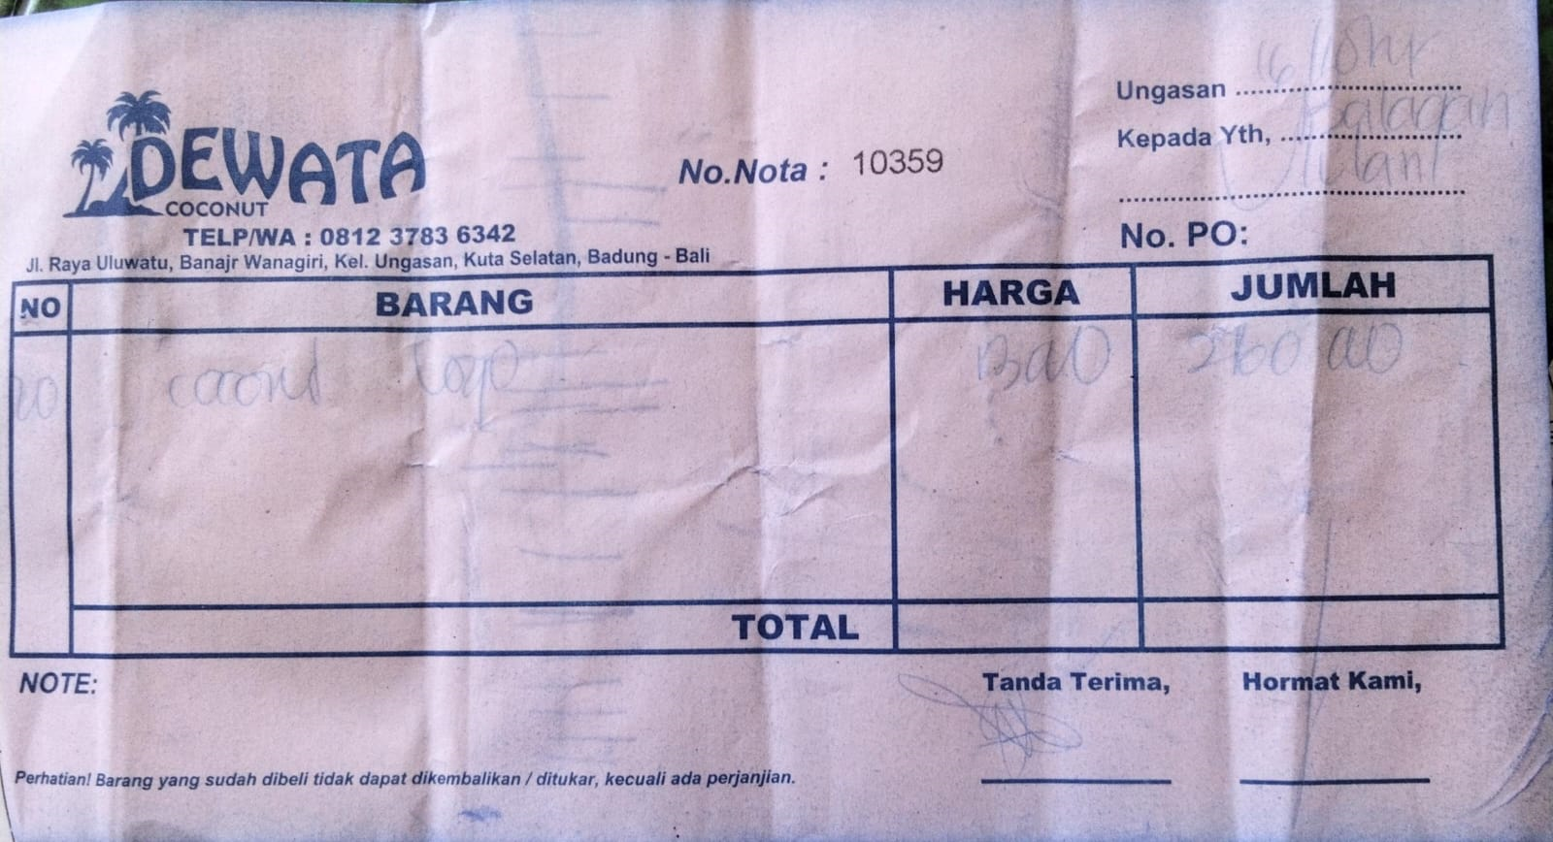 | IDR 13,000 | IDR 260,000
2025-10-19 | 9931 | Coconut Logo | 20 | 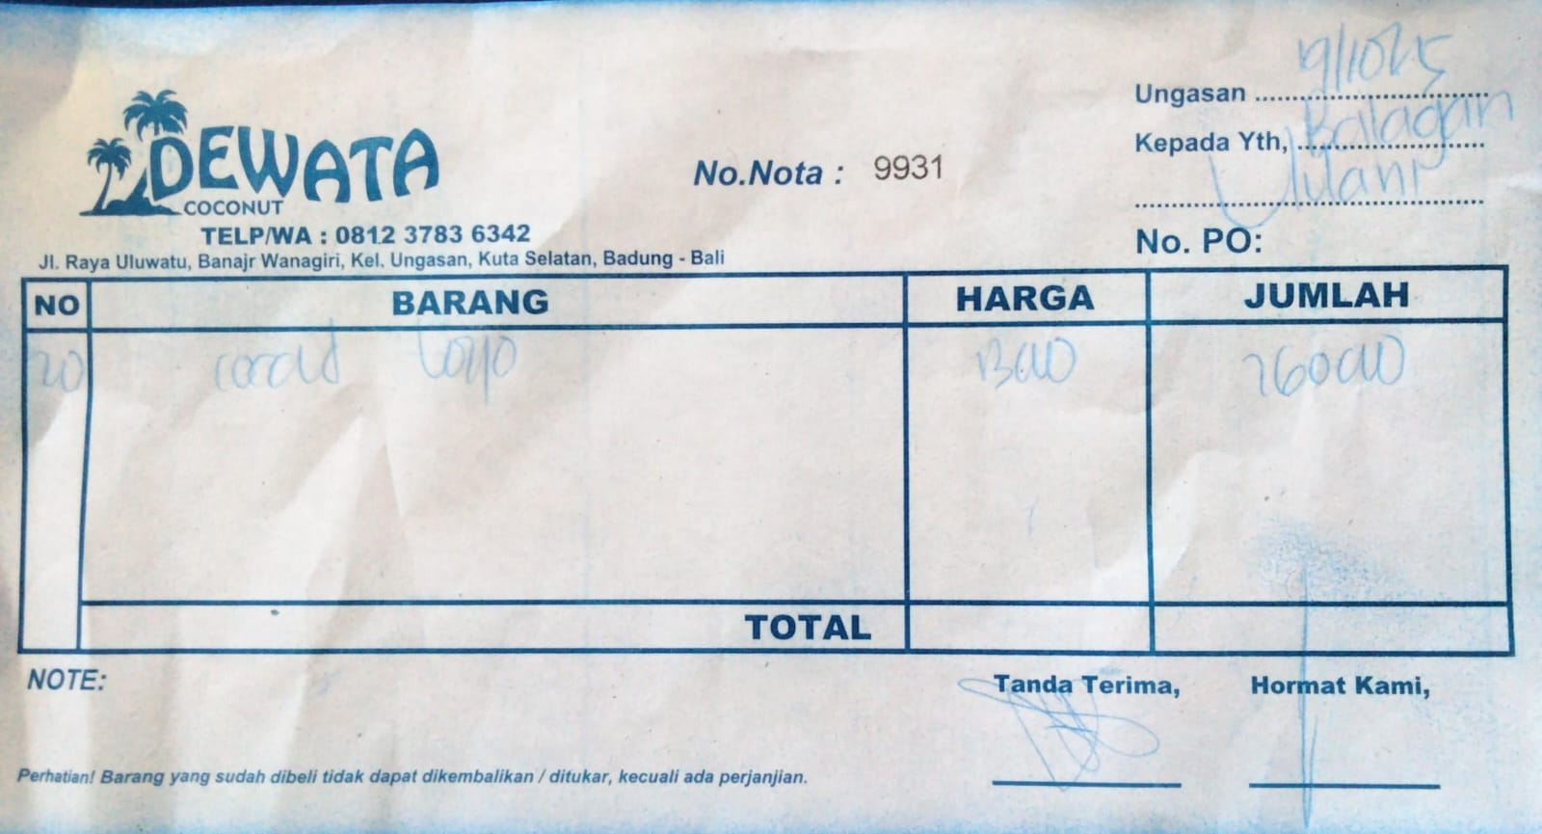 | IDR 13,000 | IDR 260,000
2025-10-20 | 10502 | Coconut Logo | 15 | 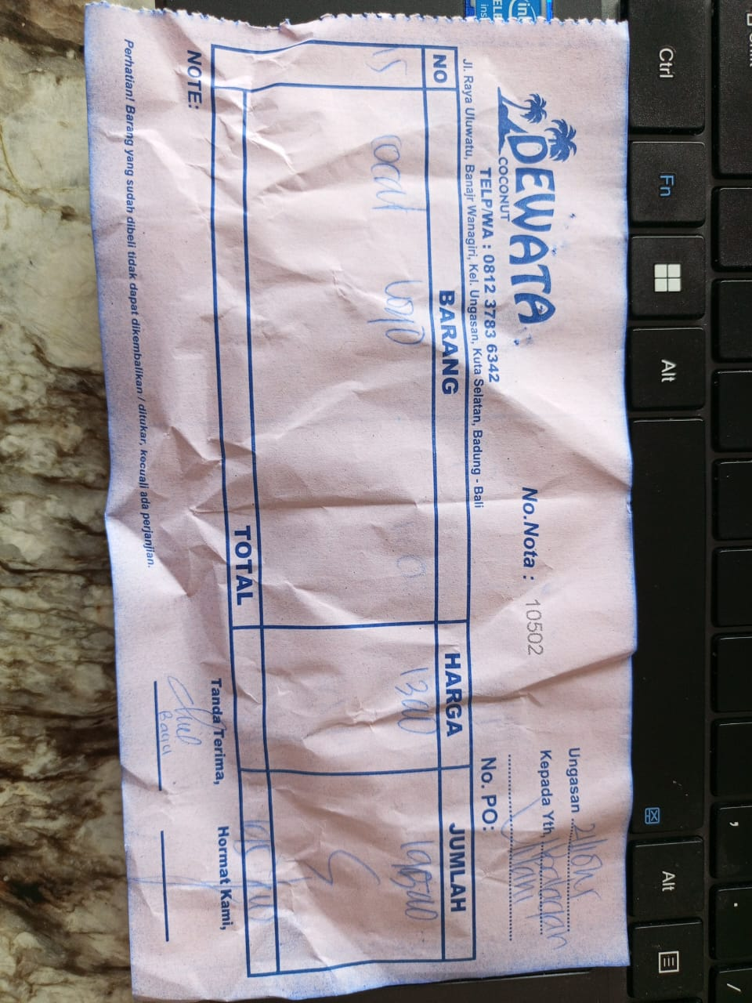 | IDR 13,000 | IDR 195,000
2025-10-27 | 10734 | Coconut Logo | 20 | 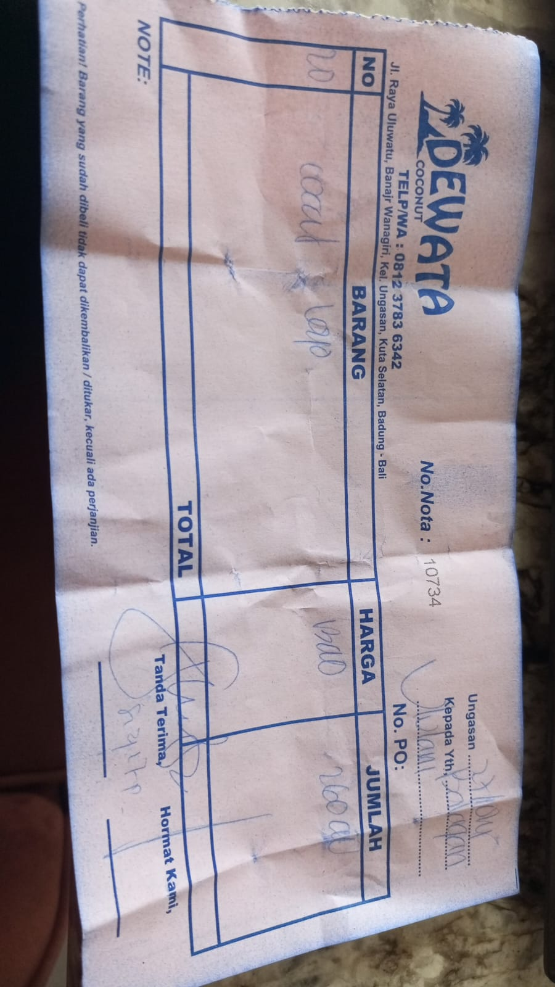 | IDR 13,000 | IDR 260,000
 |  |  |  | Rp2,415,000

